Inventory List
Inventory List
Impact Studios
 |  | 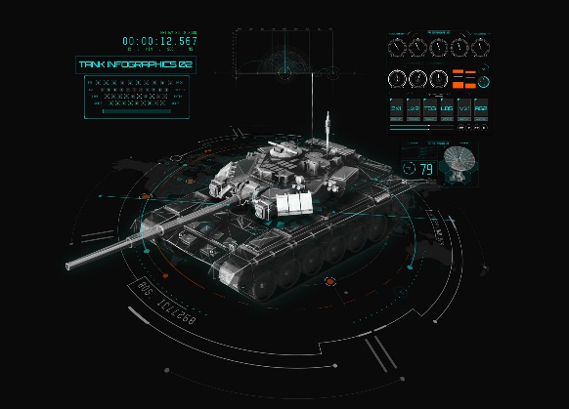

Classes | Inventory ID | Name | Description | Type of Unit | Price | Quantity in Stock | Slots | Slot Used | Armor | Iteam Completed | Faction Side | Attachments | Photos | Weight
Soilders | IN0001 | Helment | DEVTAC Ronin | Alpha - Donor Supporter | $100.00 | 1 | 2 | 1 | Yes |  | Both | Ear and Eye Pro | 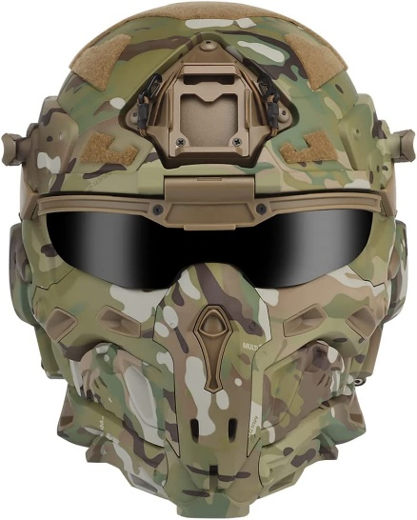
Soilders | IN0002 | Helment | EXFIL Rail 3.0 Ballistic Helmet | Micro-Transactions | $5.00 or Gear Bundle Pack | 1 | 3 | 1 | Yes |  | Both | Ear and Eye Pro | 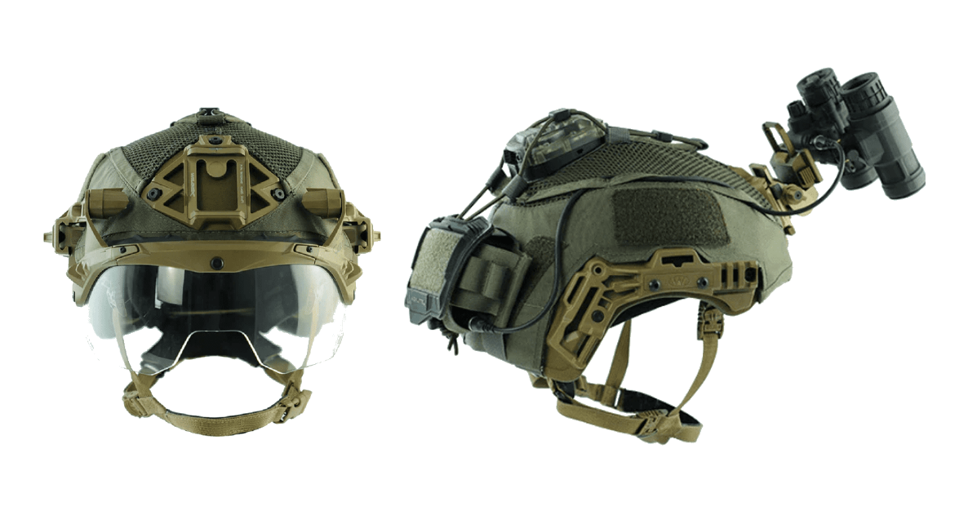
Pilot | IN0003 | Helment | GENTEX 55/PFLIGHT HELMET | In-Game Progression | Time and Progression | 1 | 0 | 1 | No |  | Both | Oxygen Mask | 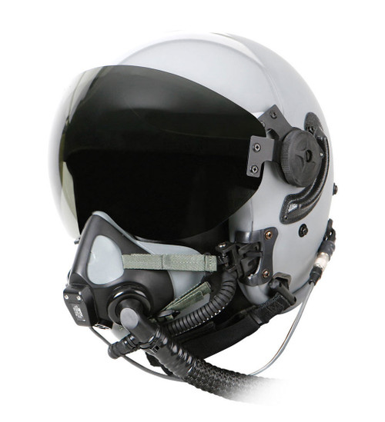
Pilot | IN0004 | Helment | Joint Helmet-Mounted Cuing System (JHMCS) | In-Game Progression | Time and Progression | 1 | 0 | 1 | No |  | North Atlantic Treaty Organization (NATO) | Oxygen Mask - Night Vision | 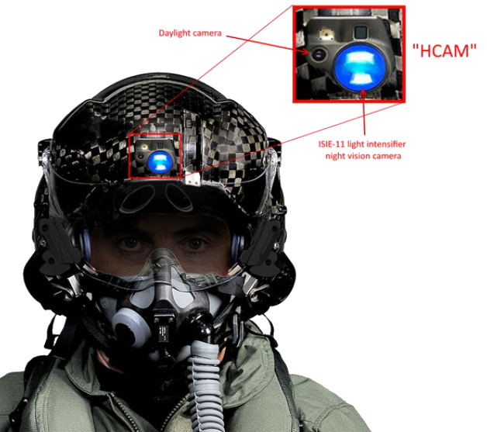
Pilot | IN0005 | Helment | Gen III Helmet Mounted Display System (HMDS) | Micro-Transactions | $5.00 or Gear Bundle Pack | 1 | 0 | 1 | No |  | Both | Oxygen Mask - Night Vision
Pilot | IN0006 | Helment | Soviet ZSH-3B Titanium Pilot | In-Game Progression | Time and Progression | 1 | 0 | 1 | No |  | Collective Security Treaty Organization (CSTO) | Oxygen Mask | 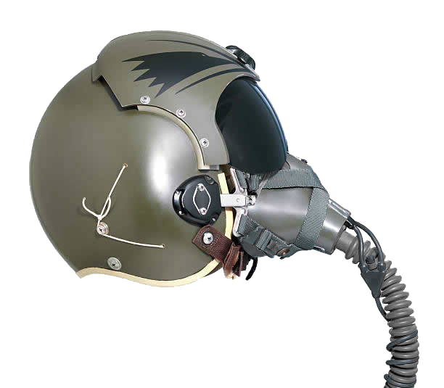
Soilders | IN0007 | Helment | Russian 6b47 Tactical Helmet | In-Game Progression | Time and Progression | 1 | 2 | 1 | Yes |  | Collective Security Treaty Organization (CSTO) | Mounts | 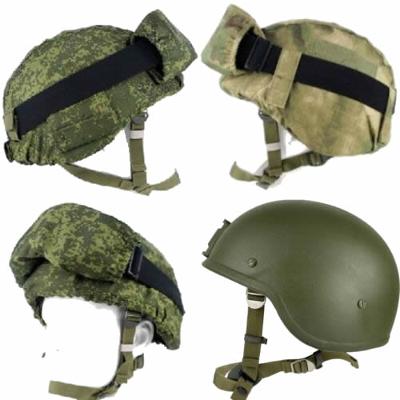
Soilders | IN0008 | Helment | ZSh-3 Pilot Helmet | In-Game Progression | Time and Progression | 1 | 0 | 1 | No |  | Collective Security Treaty Organization (CSTO) | Oxygen Mask | 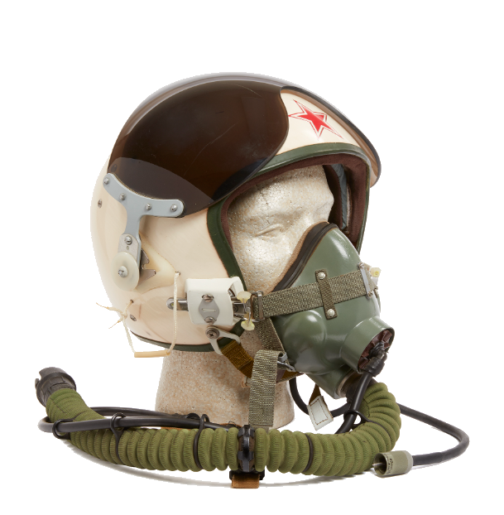
Pilot | IN0009 | Helment | MiG-Air Force Pilot Helmet | In-Game Progression | Time and Progression | 1 | 0 | 1 | No |  | Collective Security Treaty Organization (CSTO) | Oxygen Mask | 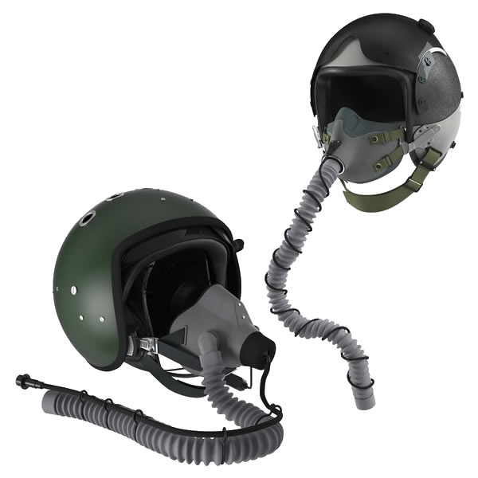
Soilders | IN0010 | Back Packs | Gunfighter Daypack | In-Game Progression | Time and Progression | 1 | 20 | 1 | NO |  | North Atlantic Treaty Organization (NATO) | No | 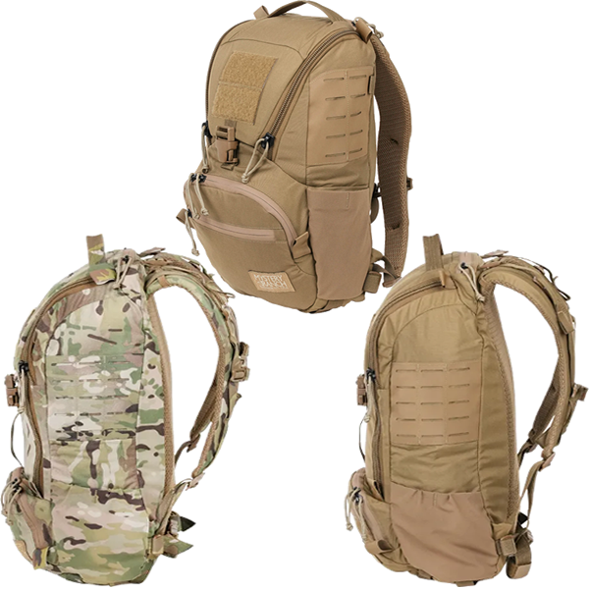
Soilders | IN0011 | Back Packs | Assault Daypack | In-Game Progression | Time and Progression | 1 | 30 | 1 | NO |  | North Atlantic Treaty Organization (NATO) | No | 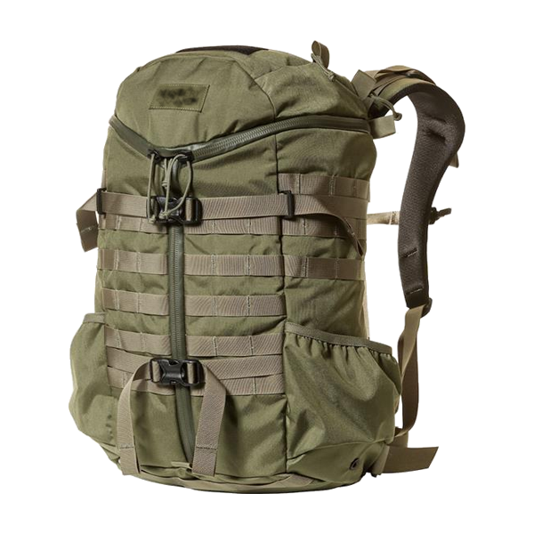
Soilders | IN0012 | Back Packs | Assault Combat Sustainment | In-Game Progression | Time and Progression | 1 | 15 | 1 | NO |  | North Atlantic Treaty Organization (NATO) | No | 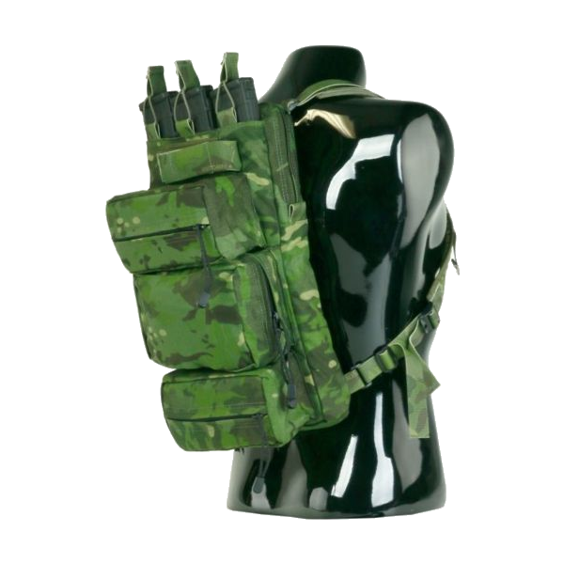
Soilders | IN0013 | Back Packs | Jumpable Recon Ruck Pack | In-Game Progression | Time and Progression | 1 | 40 | 1 | NO |  | Both | No | 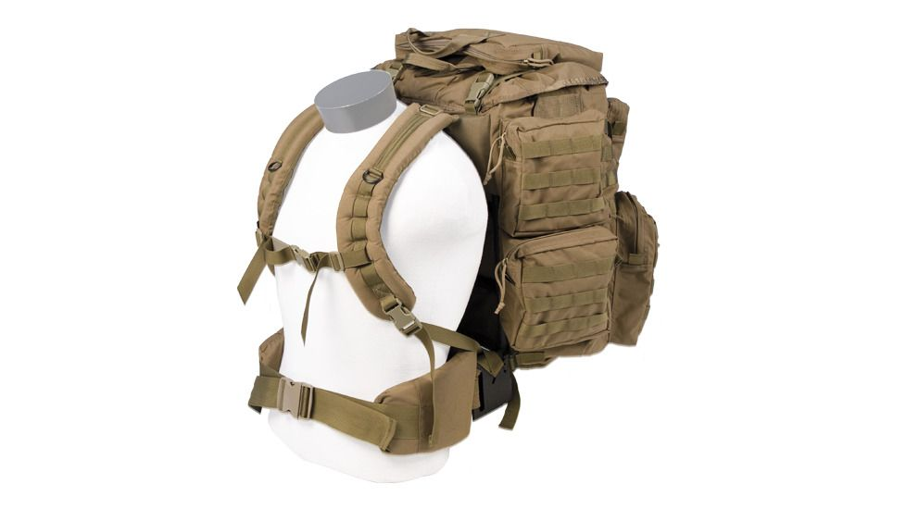
Soilders | IN0014 | Back Packs | Russian 6B38 Back Pack | In-Game Progression | Time and Progression | 1 | 40 | 1 | NO |  | Collective Security Treaty Organization (CSTO) | No | 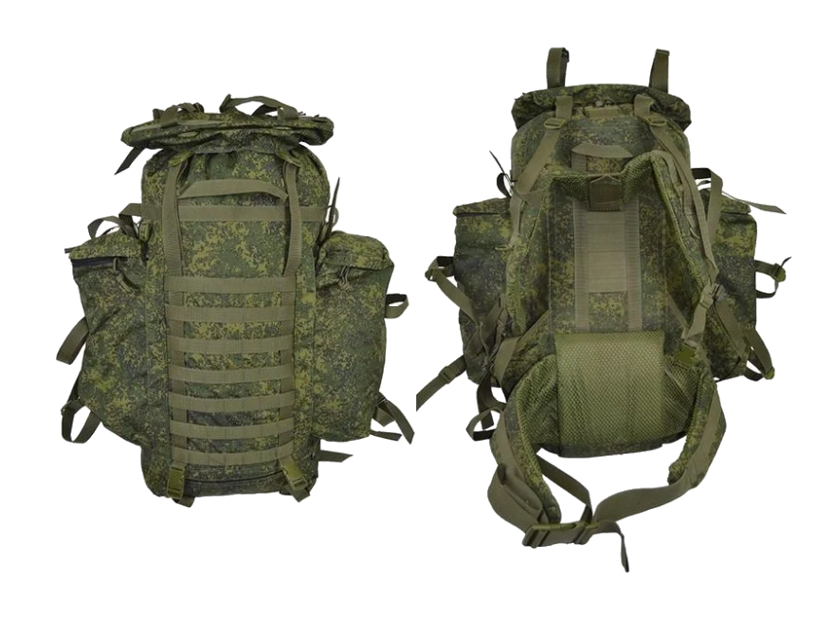 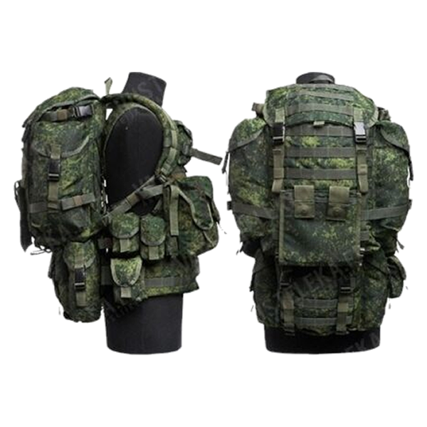
Soilders | IN0015 | Battle Belt | Sealz-Belt | Alpha - Donor Supporter | $50.00 | 1 | 5 | 1 | NO |  | Both | IFAK -Extra Grenades Slots | 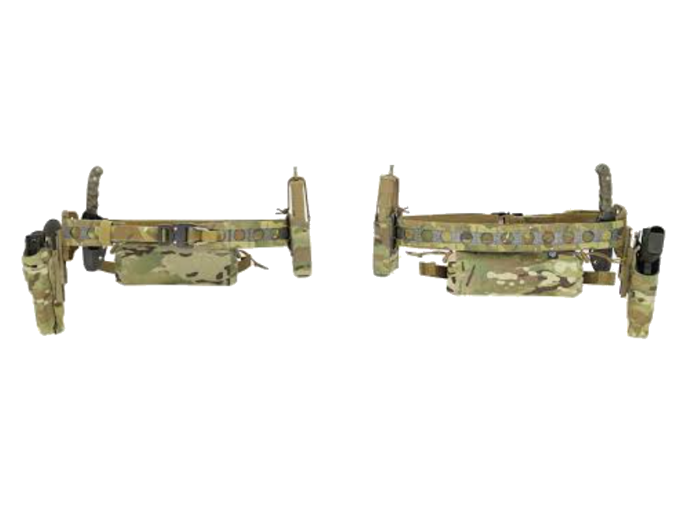
Soilders | IN0016 | Battle Belt | MOLLE Belt | In-Game Progression | Time and Progression | 1 | 6 | 1 | NO |  | Both | IFAK | 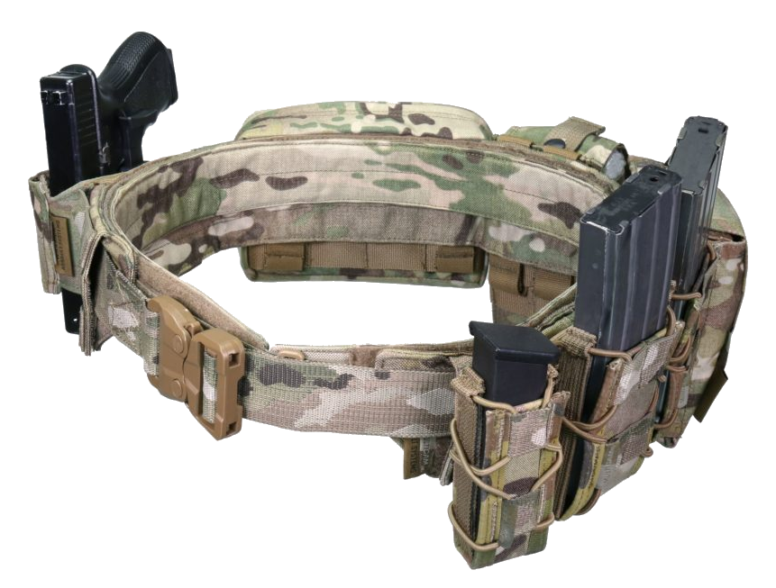
Soilders | IN0017 | Battle Belt | DL1- Drop Leg | In-Game Progression | Time and Progression | 1 | 0 | 1 | NO |  | Both |  | 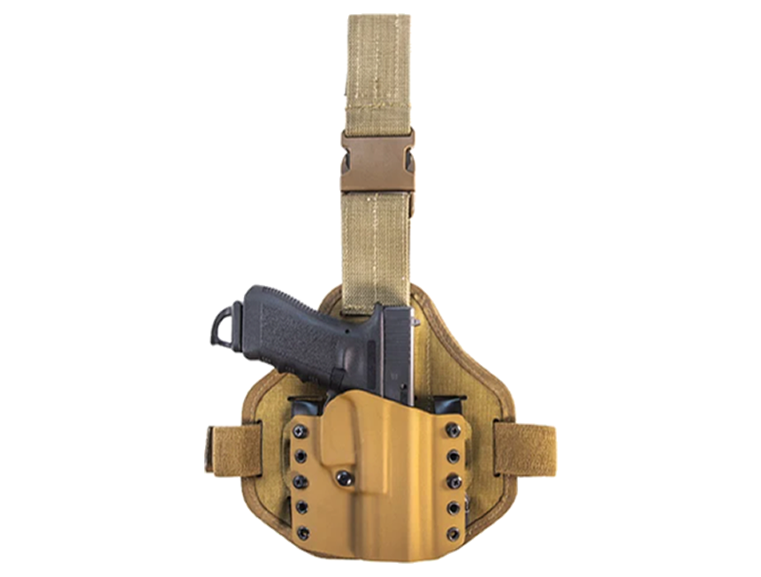
Soilders | IN0018 | Battle Belt | MOLLE Belt Drop Leg | Micro-Transactions | $5.00 or Gear Bundle Pack | 1 | 3 | 1 | NO |  | Both |  | 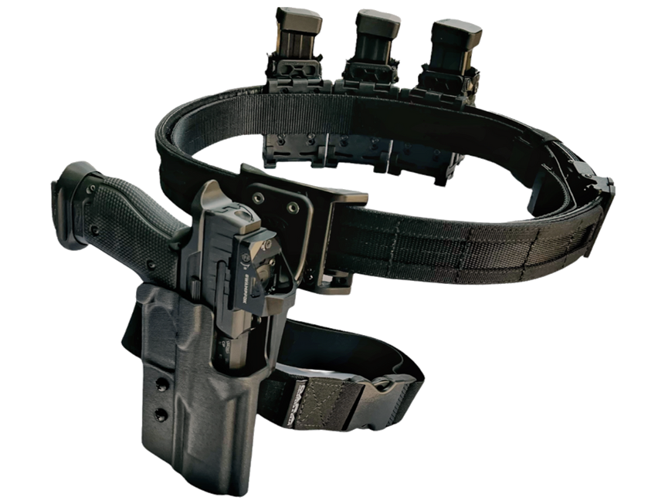
Soilders | IN0019 | Chest Rig | Rhodesian Vest is an excellent way to carry and organize your essential gear | In-Game Progression | Time and Progression | 1 | 13 | 1 | NO |  | Both |  | 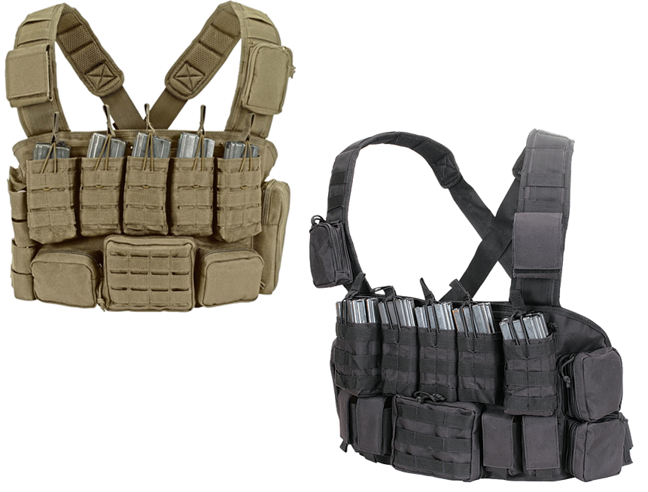
Soilders | IN0020 | Plate Carriers | Plate Carrier is sized by SAPI plate size to fulfill your unit needs. | In-Game Progression | Time and Progression | 1 | 15 | 1 | Yea |  | North Atlantic Treaty Organization (NATO) |  | 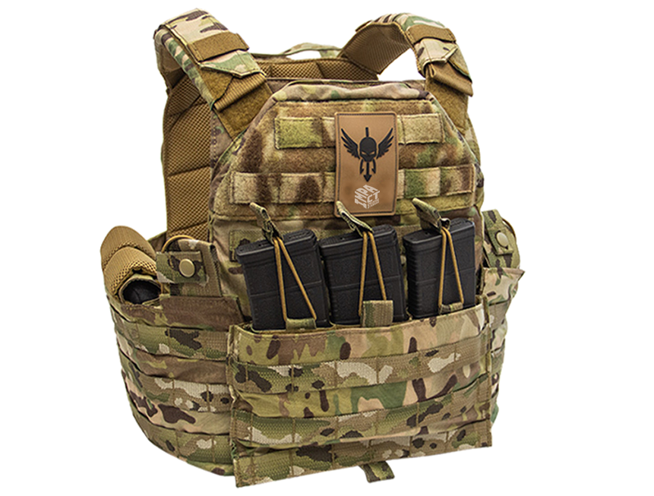
Soilders | IN0021 | Plate Carriers | Plate Carrie is extremely light weight and comfortable with an inner breathable mesh. | In-Game Progression | Time and Progression | 1 | 8 | 1 | NO |  | North Atlantic Treaty Organization (NATO) |  | 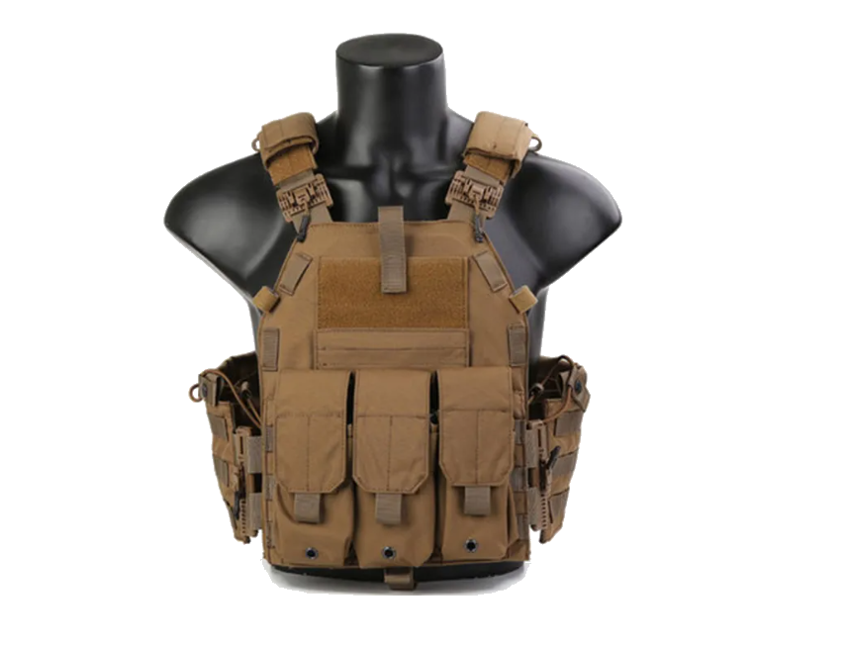
Soilders | IN0022 | Plate Carriers | Desc 22 | $24.00
Soilders | IN0023 | Plate Carriers | Desc 23 | $29.00
Soilders | IN0024 | Plate Carriers | Desc 24 | $75.00
Soilders | IN0025 | Plate Carriers | Desc 25 | $14.00
Soilders | IN0026 |  |  | $51.00
Soilders |  |  |  | $93.00
Soilders |  |  |  | $57.00
Soilders |  |  |  | $19.00
Soilders |  |  |  | $75.00
Soilders |  |  |  | $11.00
Soilders |  |  |  | $56.00
Soilders |  |  |  | $38.00
Soilders |  |  |  | $59.00
Soilders |  |  |  | $50.00
Soilders |  |  |  | $59.00
Soilders |  |  |  | $18.00
Soilders |  |  |  | $26.00
Soilders |  |  |  | $42.00
Soilders |  |  |  | $32.00
Soilders |  |  |  | $90.00
Soilders |  |  |  | $97.00
Soilders |  |  |  | $12.00
Soilders |  |  |  | $82.00
Soilders |  |  |  | $16.00
Soilders |  |  |  | $19.00
Soilders |  |  |  | $24.00
Soilders |  |  |  | $29.00
Soilders |  |  |  | $75.00
Soilders |  |  |  | $14.00
Soilders |  |  |  | $51.00
Soilders |  |  |  | $93.00
Soilders |  |  |  | $57.00
Soilders |  |  |  | $19.00
Soilders |  |  |  | $75.00
Soilders |  |  |  | $11.00
Soilders |  |  |  | $56.00
Soilders |  |  |  | $38.00
Soilders |  |  |  | $59.00
Soilders |  |  |  | $50.00
Soilders |  |  |  | $59.00
Soilders |  |  |  | $18.00
Soilders |  |  |  | $26.00
Soilders |  |  |  | $42.00
Soilders |  |  |  | $32.00
Soilders |  |  |  | $90.00
Soilders |  |  |  | $97.00
Soilders |  |  |  | $12.00
Soilders |  |  |  | $82.00
Soilders |  |  |  | $16.00
Soilders |  |  |  | $19.00
Soilders |  |  |  | $24.00
Soilders |  |  |  | $29.00
Soilders |  |  |  | $75.00
Soilders |  |  |  | $14.00
Soilders |  |  |  | $51.00
Soilders |  |  |  | $93.00
Soilders |  |  |  | $57.00
Soilders |  |  |  | $19.00
Soilders |  |  |  | $75.00
Soilders |  |  |  | $11.00
Soilders |  |  |  | $56.00
Soilders |  |  |  | $38.00
Soilders |  |  |  | $59.00
Soilders |  |  |  | $50.00
Soilders |  |  |  | $59.00
Soilders |  |  |  | $18.00
Soilders |  |  |  | $26.00
Soilders |  |  |  | $42.00
Soilders |  |  |  | $32.00
Soilders |  |  |  | $90.00
Soilders |  |  |  | $97.00
Soilders |  |  |  | $12.00
Soilders |  |  |  | $82.00
Soilders |  |  |  | $16.00
Soilders |  |  |  | $19.00
Soilders |  |  |  | $24.00
Soilders |  |  |  | $29.00
Soilders |  |  |  | $75.00
Soilders |  |  |  | $14.00
Soilders |  |  |  | $51.00
Soilders |  |  |  | $93.00
Soilders |  |  |  | $57.00
Soilders |  |  |  | $19.00
Soilders |  |  |  | $75.00
Soilders |  |  |  | $11.00
Soilders |  |  |  | $56.00
Soilders |  |  |  | $38.00
Soilders |  |  |  | $59.00
Soilders |  |  |  | $50.00
Soilders |  |  |  | $59.00
Soilders |  |  |  | $18.00
Soilders |  |  |  | $26.00
Soilders |  |  |  | $42.00
Soilders |  |  |  | $32.00
Soilders |  |  |  | $90.00
Soilders |  |  |  | $97.00
Soilders |  |  |  | $12.00
Soilders |  |  |  | $82.00
Soilders |  |  |  | $16.00
Soilders |  |  |  | $19.00
Soilders |  |  |  | $24.00
Soilders |  |  |  | $29.00
Soilders |  |  |  | $75.00
Soilders |  |  |  | $14.00
Soilders |  |  |  | $51.00
Soilders |  |  |  | $93.00
Soilders |  |  |  | $57.00
Soilders |  |  |  | $19.00
Soilders |  |  |  | $75.00
Soilders |  |  |  | $11.00
Soilders |  |  |  | $56.00
Soilders |  |  |  | $38.00
Soilders |  |  |  | $59.00
Soilders |  |  |  | $50.00
Soilders |  |  |  | $59.00
Soilders |  |  |  | $18.00
Soilders |  |  |  | $26.00
Soilders |  |  |  | $42.00
Soilders |  |  |  | $32.00
Soilders |  |  |  | $90.00
Soilders |  |  |  | $97.00
Soilders |  |  |  | $12.00
Soilders |  |  |  | $82.00
Soilders |  |  |  | $16.00
Soilders |  |  |  | $19.00
Soilders |  |  |  | $24.00
Soilders |  |  |  | $29.00
Soilders |  |  |  | $75.00
Soilders |  |  |  | $14.00
Soilders |  |  |  | $51.00
Soilders |  |  |  | $93.00
Soilders |  |  |  | $57.00
Soilders |  |  |  | $19.00
Soilders |  |  |  | $75.00
Soilders |  |  |  | $11.00
Soilders |  |  |  | $56.00
Soilders |  |  |  | $38.00
Soilders |  |  |  | $59.00
Soilders |  |  |  | $50.00
Soilders |  |  |  | $59.00
Soilders |  |  |  | $18.00
Soilders |  |  |  | $26.00
Soilders |  |  |  | $42.00
Soilders |  |  |  | $32.00
Soilders |  |  |  | $90.00
Soilders |  |  |  | $97.00
Soilders |  |  |  | $12.00
Soilders |  |  |  | $82.00
Soilders |  |  |  | $16.00
Soilders |  |  |  | $19.00
Soilders |  |  |  | $24.00
Soilders |  |  |  | $29.00
Soilders |  |  |  | $75.00
Soilders |  |  |  | $14.00
Soilders |  |  |  | $51.00
Soilders |  |  |  | $93.00
Soilders |  |  |  | $57.00
Soilders |  |  |  | $19.00
Soilders |  |  |  | $75.00
Soilders |  |  |  | $11.00
Soilders |  |  |  | $56.00
Soilders |  |  |  | $38.00
Soilders |  |  |  | $59.00
Soilders |  |  |  | $50.00
Soilders |  |  |  | $59.00
Soilders |  |  |  | $18.00
Soilders |  |  |  | $26.00
Soilders |  |  |  | $42.00
Soilders |  |  |  | $32.00
Soilders |  |  |  | $90.00
Soilders |  |  |  | $97.00
Soilders |  |  |  | $12.00
Soilders |  |  |  | $82.00
Soilders |  |  |  | $16.00
Soilders |  |  |  | $19.00
Soilders |  |  |  | $24.00
Soilders |  |  |  | $29.00
Soilders |  |  |  | $75.00
Soilders |  |  |  | $14.00
Soilders |  |  |  | $51.00
Soilders |  |  |  | $93.00
Soilders |  |  |  | $57.00
Soilders |  |  |  | $19.00
Soilders |  |  |  | $75.00
Soilders |  |  |  | $11.00
Soilders |  |  |  | $56.00
Soilders |  |  |  | $38.00
Soilders |  |  |  | $59.00
Soilders |  |  |  | $50.00
Soilders |  |  |  | $59.00
Soilders |  |  |  | $18.00
Soilders |  |  |  | $26.00
Soilders |  |  |  | $42.00
Soilders |  |  |  | $32.00
Soilders |  |  |  | $90.00
Soilders |  |  |  | $97.00
Soilders |  |  |  | $12.00
Soilders |  |  |  | $82.00
Soilders |  |  |  | $16.00
Soilders |  |  |  | $19.00
Soilders |  |  |  | $24.00
Soilders |  |  |  | $29.00
Soilders |  |  |  | $75.00
Soilders |  |  |  | $14.00
Soilders |  |  |  | $51.00
Soilders |  |  |  | $93.00
Soilders |  |  |  | $57.00
Soilders |  |  |  | $19.00
Soilders |  |  |  | $75.00
Soilders |  |  |  | $11.00
Soilders |  |  |  | $56.00
Soilders |  |  |  | $38.00
Soilders |  |  |  | $59.00
Soilders |  |  |  | $50.00
Soilders |  |  |  | $59.00
Soilders |  |  |  | $18.00
Soilders |  |  |  | $26.00
Soilders |  |  |  | $42.00
Soilders |  |  |  | $32.00
Soilders |  |  |  | $90.00
Soilders |  |  |  | $97.00
Soilders |  |  |  | $12.00
Soilders |  |  |  | $82.00
Soilders |  |  |  | $16.00
Soilders |  |  |  | $19.00
Soilders |  |  |  | $24.00
Soilders |  |  |  | $29.00
Soilders |  |  |  | $75.00
Soilders |  |  |  | $14.00
Soilders |  |  |  | $51.00
Soilders |  |  |  | $93.00
Soilders |  |  |  | $57.00
Soilders |  |  |  | $19.00
Soilders |  |  |  | $75.00
Soilders |  |  |  | $11.00
Soilders |  |  |  | $56.00
Soilders |  |  |  | $38.00
Soilders |  |  |  | $59.00
Soilders |  |  |  | $50.00
Soilders |  |  |  | $59.00
Soilders |  |  |  | $18.00
Soilders |  |  |  | $26.00
Soilders |  |  |  | $42.00
Soilders |  |  |  | $32.00
Soilders |  |  |  | $90.00
Soilders |  |  |  | $97.00
Soilders |  |  |  | $12.00
Soilders |  |  |  | $82.00
Soilders |  |  |  | $16.00
Soilders |  |  |  | $19.00
Soilders |  |  |  | $24.00
Soilders |  |  |  | $29.00
Soilders |  |  |  | $75.00
Soilders |  |  |  | $14.00
Soilders |  |  |  | $51.00
Soilders |  |  |  | $93.00
Soilders |  |  |  | $57.00
Soilders |  |  |  | $19.00
Soilders |  |  |  | $75.00
Soilders |  |  |  | $11.00
Soilders |  |  |  | $56.00
Soilders |  |  |  | $38.00
Soilders |  |  |  | $59.00
Soilders |  |  |  | $50.00
Soilders |  |  |  | $59.00
Soilders |  |  |  | $18.00
Soilders |  |  |  | $26.00
Soilders |  |  |  | $42.00
Soilders |  |  |  | $32.00
Soilders |  |  |  | $90.00
Soilders |  |  |  | $97.00
Soilders |  |  |  | $12.00
Soilders |  |  |  | $82.00
Soilders |  |  |  | $16.00
Soilders |  |  |  | $19.00
Soilders |  |  |  | $24.00
Soilders |  |  |  | $29.00
Soilders |  |  |  | $75.00
Soilders |  |  |  | $14.00
Soilders |  |  |  | $51.00
Soilders |  |  |  | $93.00
Soilders |  |  |  | $57.00
Soilders |  |  |  | $19.00
Soilders |  |  |  | $75.00
Soilders |  |  |  | $11.00
Soilders |  |  |  | $56.00
Soilders |  |  |  | $38.00
Soilders |  |  |  | $59.00
Soilders |  |  |  | $50.00
Soilders |  |  |  | $59.00
Soilders |  |  |  | $18.00
Soilders |  |  |  | $26.00
Soilders |  |  |  | $42.00
Soilders |  |  |  | $32.00
Soilders |  |  |  | $90.00
Soilders |  |  |  | $97.00
Soilders |  |  |  | $12.00
Soilders |  |  |  | $82.00
Soilders |  |  |  | $16.00
Soilders |  |  |  | $19.00
Soilders |  |  |  | $24.00
Soilders |  |  |  | $29.00
Soilders |  |  |  | $75.00
Soilders |  |  |  | $14.00
Soilders |  |  |  | $51.00
Soilders |  |  |  | $93.00
Soilders |  |  |  | $57.00
Soilders |  |  |  | $19.00
Soilders |  |  |  | $75.00
Soilders |  |  |  | $11.00
...

